Cover Sheet
Employee Central HR Transactions Configuration Workbook
Company: Default
Company ID: Default
Kick Off Date:
Go Live Date:

Introduction
Tasks
JUMP BACK TO TOC
Introduction
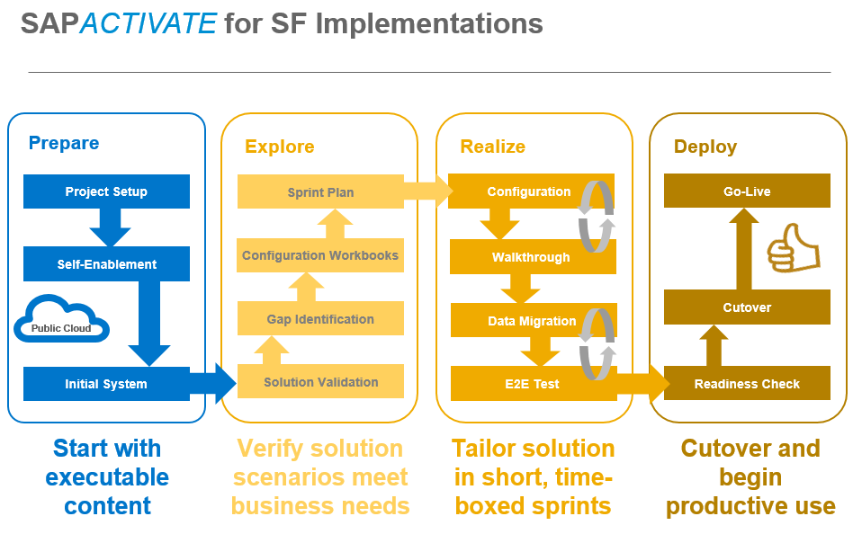
Working with Your SuccessFactors Consultant
Together with your Professional Services Consultant you will explore and discuss each of the decision points described throughout the workbook. You will record your decisions in this configuration workbook. Your SuccessFactors Professional Services Consultant is ready to guide you through the completion of this workbook. You should feel free to ask questions and discuss possibilities. We don’t expect that you will complete the workbook on your own or without our guidance. While you own the maintenance of the document so that you can record your business decisions in your own words, we will work on completing the document together. Once you have identified and recorded the configuration options that meet your needs we will ask you to sign-off on this configuration workbook. Your signature indicates that you have completed the process of describing how you would like to see SuccessFactors configured by your Professional Services Consultant. Upon receipt of the signed workbook, your Professional Services Consultant can then configure SuccessFactors to match your requests. The implementation methodology calls for three sprints, or iterations, where you can complete the workbook to describe your configuration requests and business decisions. You will use the workbook to record the configuration you have requested. Note that the signoff for configuration “received” happens after the three iterations of making requests and before testing and the final signoff of “production readiness”.
SuccessFactors Consultant Responsibilities Explain the options available in the Configuration Workbook Provide feedback and suggestions on the best ways to utilize SuccessFactors to accomplish the customer’s business objectives Configure the SuccessFactors system to match the customer requests documented in the Configuration Workbook after sign-off [CUSTOMER] Responsibilities Own the Configuration Workbook document Complete the Configuration Workbook with guidance and explanation from the Consultant, filling in the pale yellow sections Sign the workbook before the Consultant makes any configuration changes Note: The Configuration Workbook represents what you are requesting to see in the next iteration of the system. The system will not reflect these requests until after your consultant takes the information in the workbook and configures the system to match it.
Keys to using the Configuration Workbook
The workbook contains the following elements: • Configuration Item Discussion – Wording following each section heading describing the configuration item and possible choices. • Customer Input/Decision: . Individual choices are colored with a pale yellow background. • General Requirements: Area where you may record other comments, requests, or choices relating to configuration • Business Drivers: Area where you may record business decisions and logic about the configuration element • Iteration Configuration Modifications: During iterations 2 and 3, this is an area where you may record modifications or clarifications to previous decisions
General Notes
• This Configuration Workbook may make reference to products or services which are not part of your SuccessFactors agreement. Your Professional Services Consultant will help you understand what is available to you and what is not. • This Configuration Workbook does not contain every possible configuration option. If it did, it would be 50 times bigger than it is! Your Professional Services Consultant will help you explore the unique and less frequently used features of SuccessFactors if they are a fit for your organization.

